Hoja1
FECHA
NV
NOMBRE
DIRECCION
RUT
CONDICIONES
DESC
CIUDAD
ENTREGA
TRANSPORTE
NOTA

 |  |  |  |  |  | 19 8 025
CATALOGO de VERAZZI KIDS INVIERNO 2026, |  |  |  | COLORES |  | COMPRAS

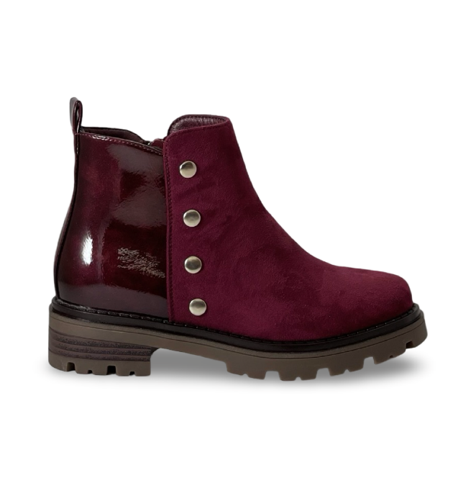

 | 2606-1 |  |  | WINE | $15,990

 |  | 30-36: 2 2 2 3 3 2 2 = 16 prs

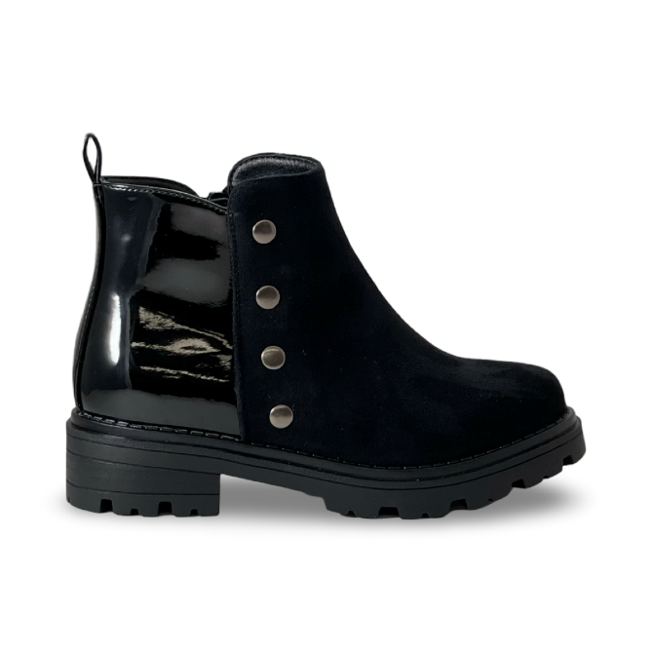

 | 2606-1 |  |  | BLACK | $15,990

 |  | 30-36: 2 2 2 3 3 2 2 = 16 prs

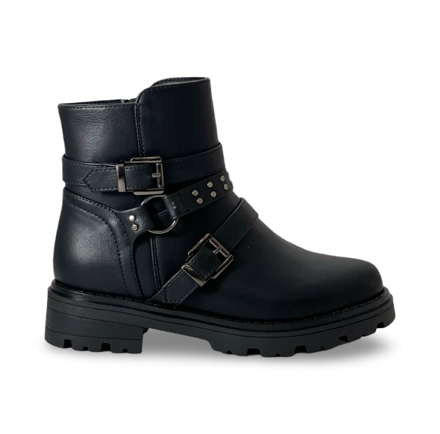

 | 2606-5 |  |  | BLACK | $14,990

 |  | 30-36: 2 2 2 3 3 2 2 = 16 prs

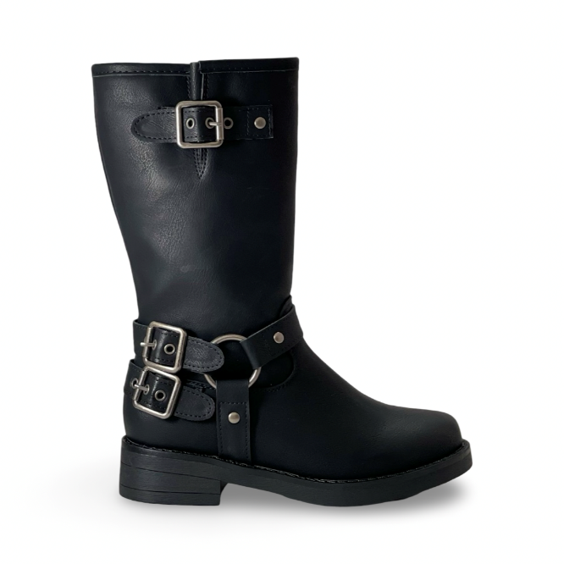

 | 2607-1 |  |  | BLACK | $16,990

 |  | 30-36: 2 2 2 3 3 2 2 = 16 prs

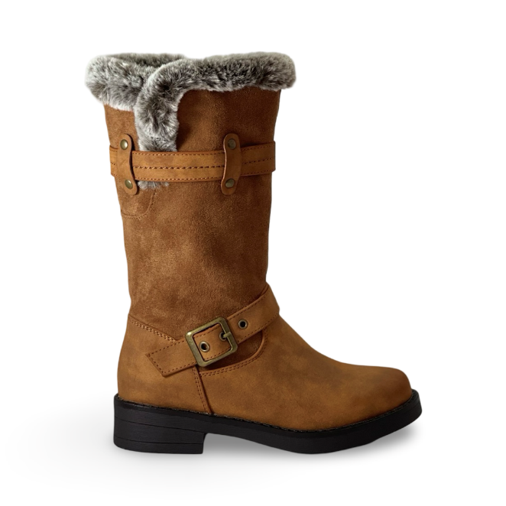

 | 2607-2 |  |  | COFFE | $16,990

 |  | 30-36: 2 2 2 3 3 2 2 = 16 prs

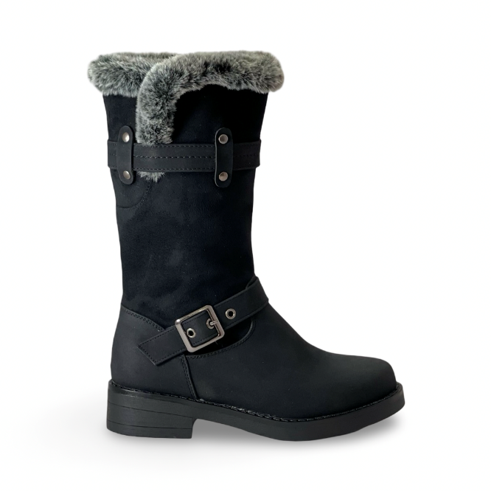

 | 2607-2 |  |  | BLACK | $16,990

 |  | 30-36: 2 2 2 3 3 2 2 = 16 prs

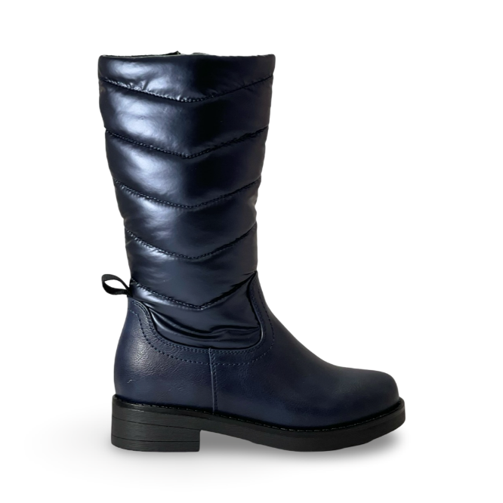

 | 2607-3 |  |  | NAVY | $16,990

 |  | 30-36: 2 2 2 3 3 2 2 = 16 prs

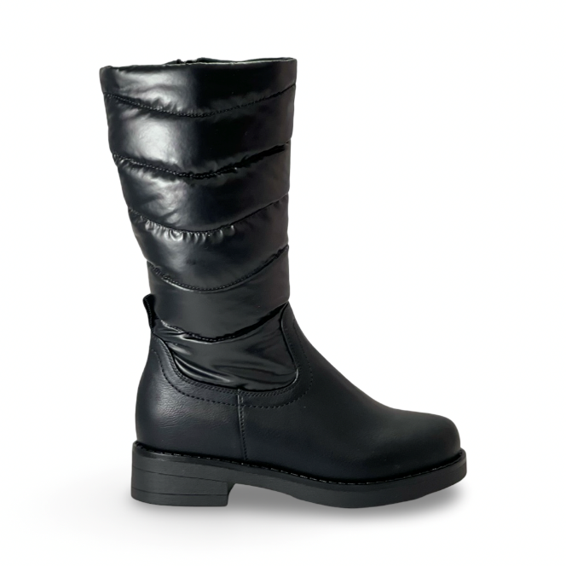

 | 2607-3 |  |  | BLACK | $16,990

 |  | 30-36: 2 2 2 3 3 2 2 = 16 prs

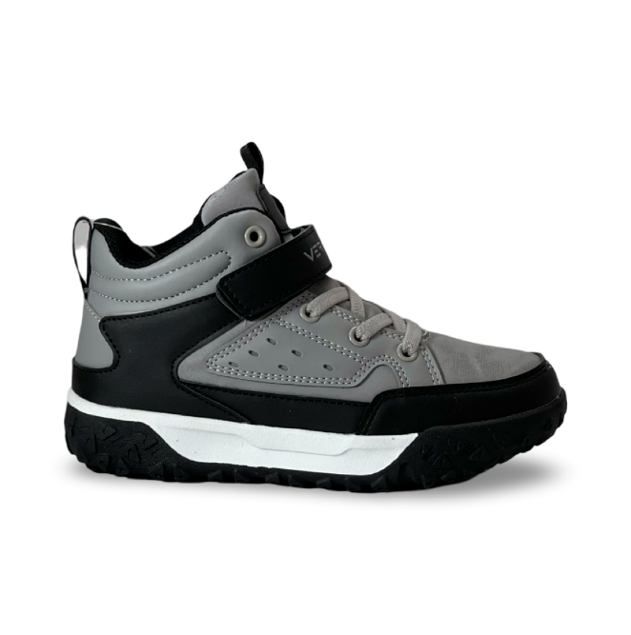

 | SR24012 |  |  | GREY/BLACK | $11,990

 |  | 28-35: 2 2 2 2 2 3 3 2= 18 prs

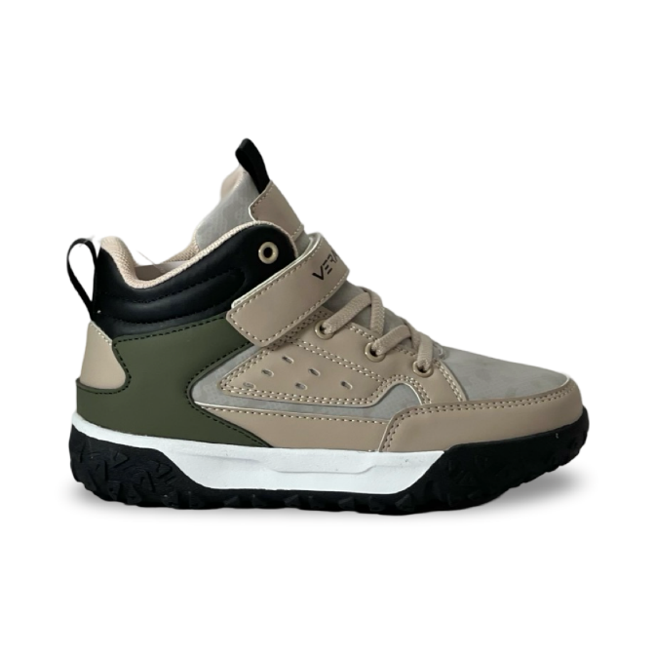

 | SR24012 |  |  | TOUPE/GREEN | $11,990

 |  | 28-35: 2 2 2 2 2 3 3 2= 18 prs

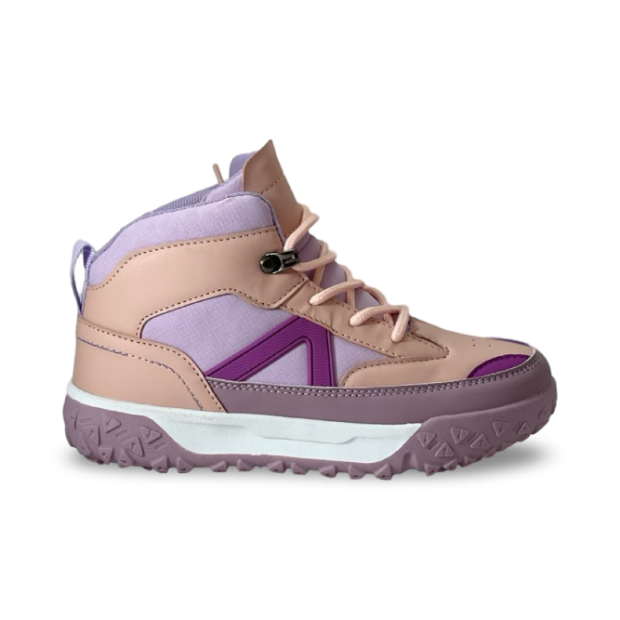

 | SR24008 |  |  | PURPURE | $10,990

 |  | 28-35: 2 2 2 2 2 3 3 2= 18 prs

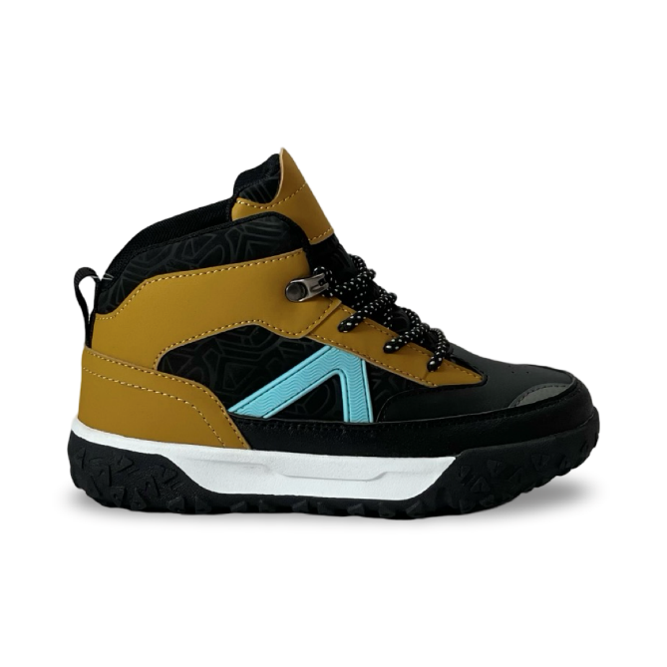

 | SR24008 |  |  | COFEE/BLACK | $10,990

 |  | 28-35: 2 2 2 2 2 3 3 2= 18 prs

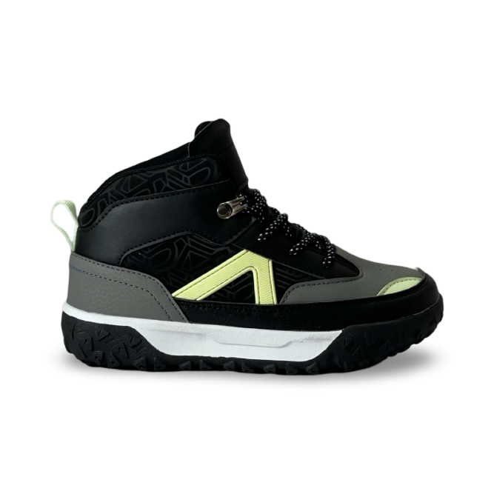

 | SR24008 |  |  | BLACK | $10,990

 |  | 28-35: 2 2 2 2 2 3 3 2= 18 prs

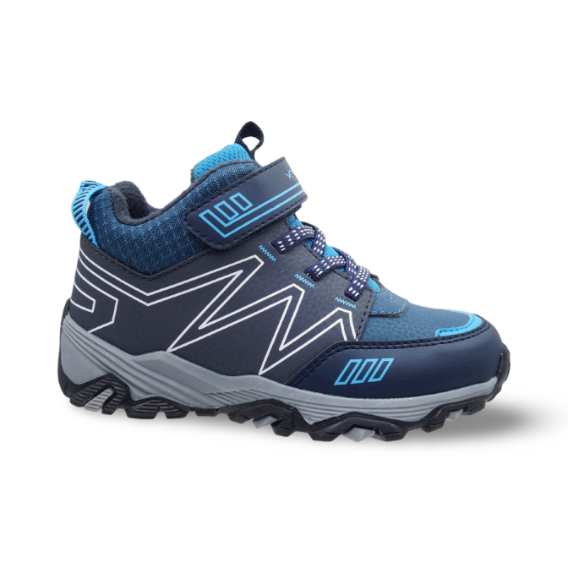

 | K22831 |  |  | BLUE | $13,990

 |  | 25-33: 2 2 2 2 2 2 2 2 2 = 18 prs

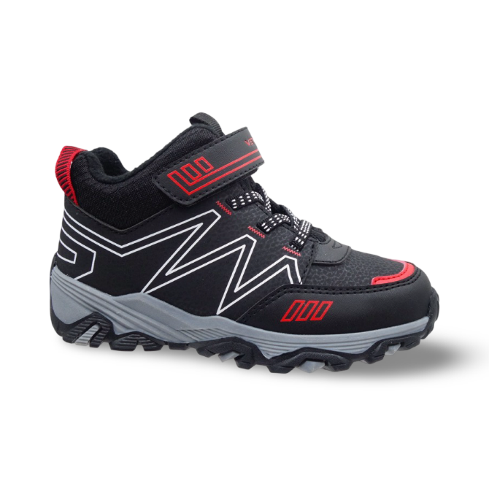

 | K22831 |  |  | BLACK | $13,990

 |  | 25-33: 2 2 2 2 2 2 2 2 2 = 18 prs

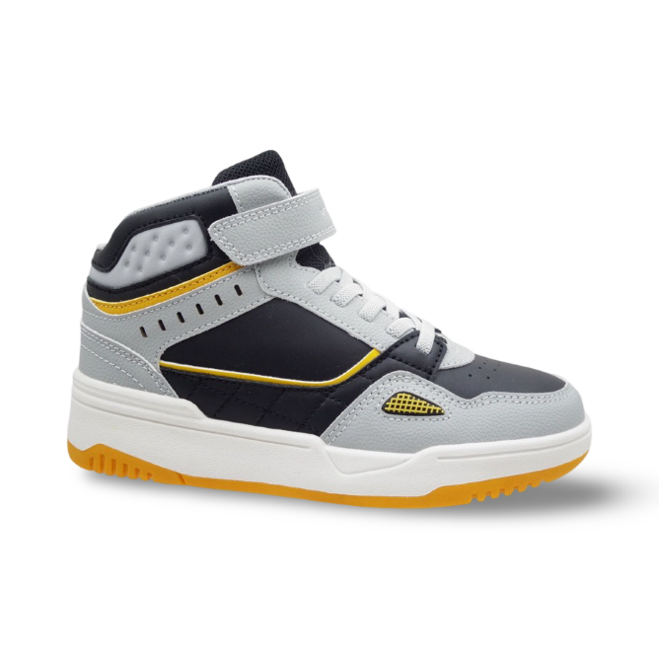

 | K231238 |  |  | GREY/BLACK | $12,990

 |  | 28-35: 2 2 2 2 2 3 3 2= 18 prs

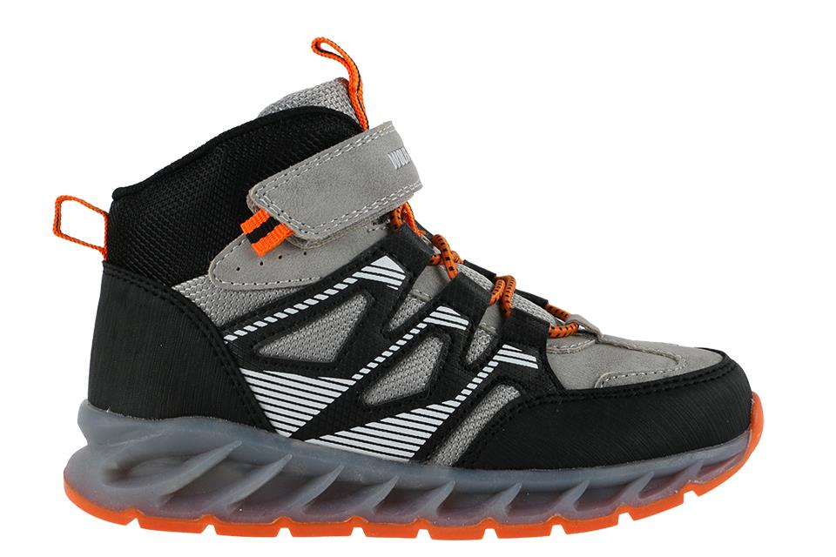

 | K23855 |  |  | GREY | $13,990

 |  | 28-35: 2 2 2 2 2 3 3 2= 18 prs

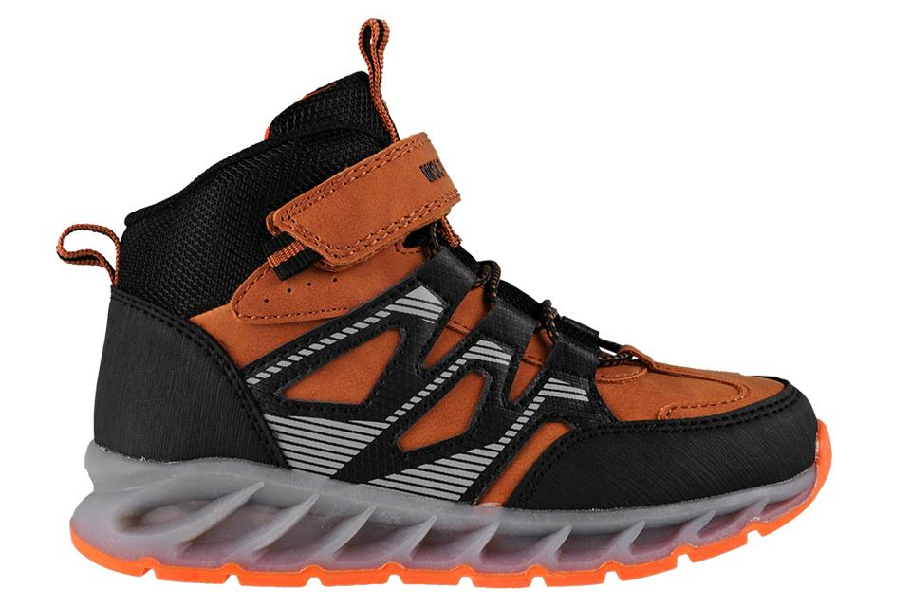

 | K23855 |  |  | BROWN | $13,990

 |  | 28-35: 2 2 2 2 2 3 3 2= 18 prs

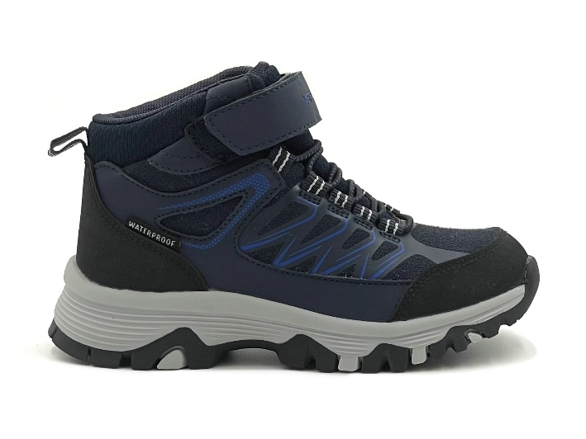

 | HL25101 |  |  | NAVY | $14,990
 |  |  | WATERPROOF

 |  |  | 28.36: 2 2 2 2 2 2 2 2 2= 18 Prs

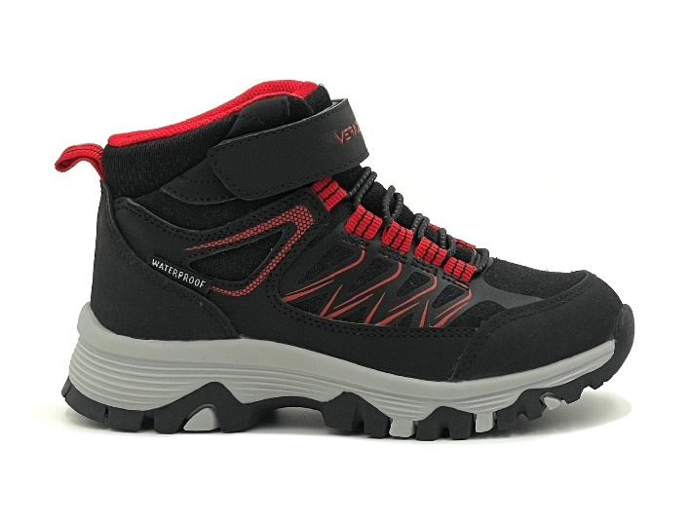

 |  |  |  | BLACK-RED
 | HL25101 |  | WATERPROOF |  | $14,990

 |  |  | 28.36: 2 2 2 2 2 2 2 2 2= 18 Prs

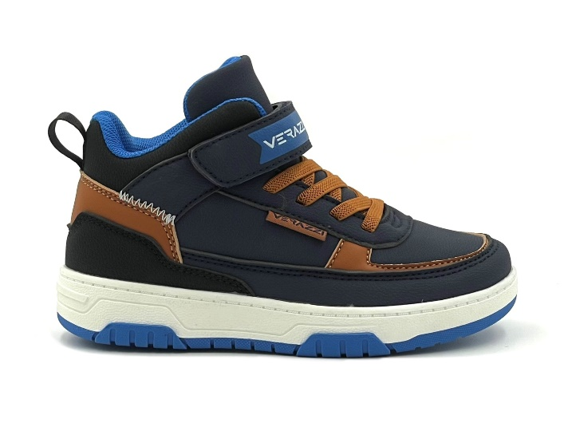

 | SR25701 |  | NAVY |  | $11,990

 |  |  | 28.35: 2 2 2 2 2 3 3 2 = 18 Prs

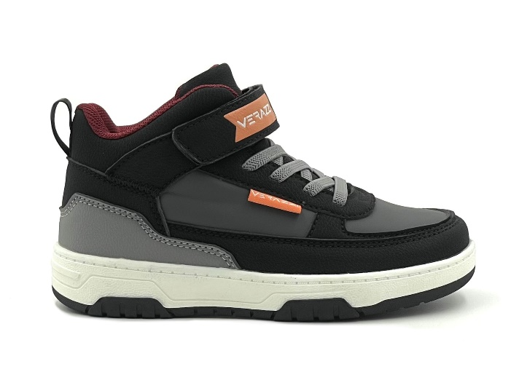

 | SR25701 |  | BLACK |  | $11,990

 |  |  | 28.35: 2 2 2 2 2 3 3 2 = 18 Prs

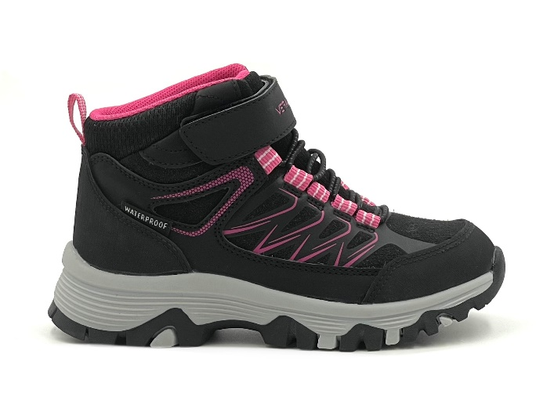

 |  |  |  | BLACK-PINK
 | HL25101 |  | WATERPROOF |  | $14,990

 |  |  | 28.36: 2 2 2 2 2 2 2 2 2= 18 Prs

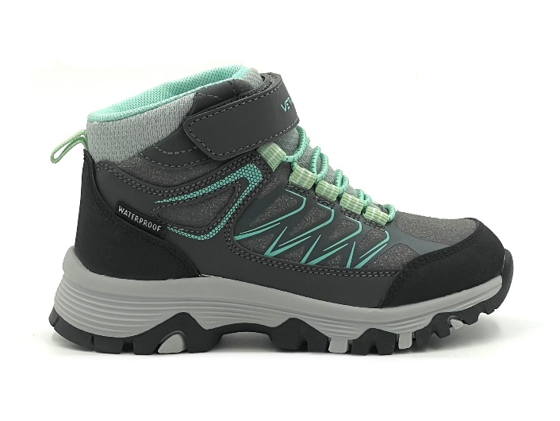

 | HL25101 |  |  | GREY | $14,990
 |  |  | WATERPROOF

 |  |  | 28.36: 2 2 2 2 2 2 2 2 2= 18 Prs

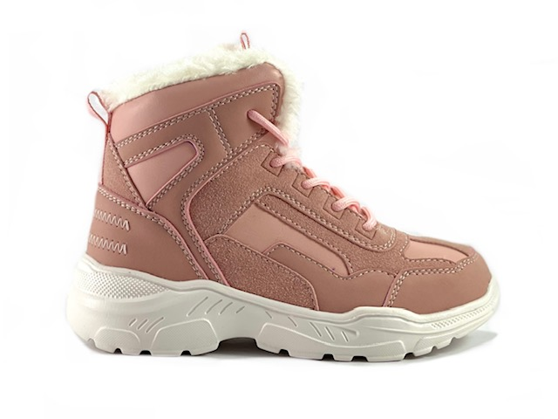

 | K201218 |  |  | PINK | $14,990

 |  | 28-35: 2 2 2 2 2 3 3 2 = 18 prs

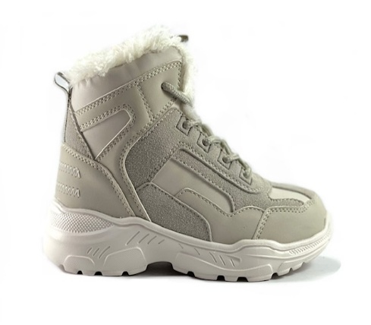

 | K201218 |  |  | GREY | $14,990

 |  | 28-35: 2 2 2 2 2 3 3 2 = 18 prs

